Test Cases - Funtional
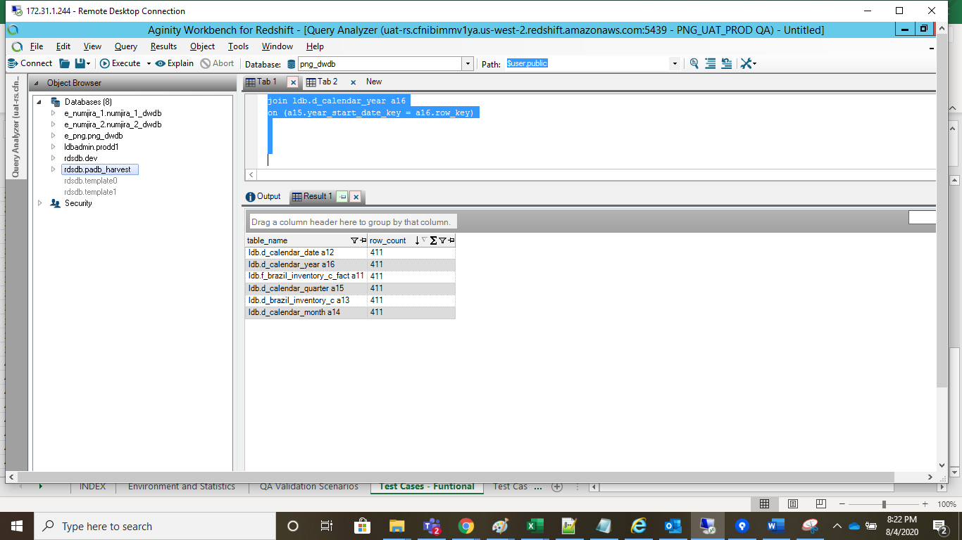
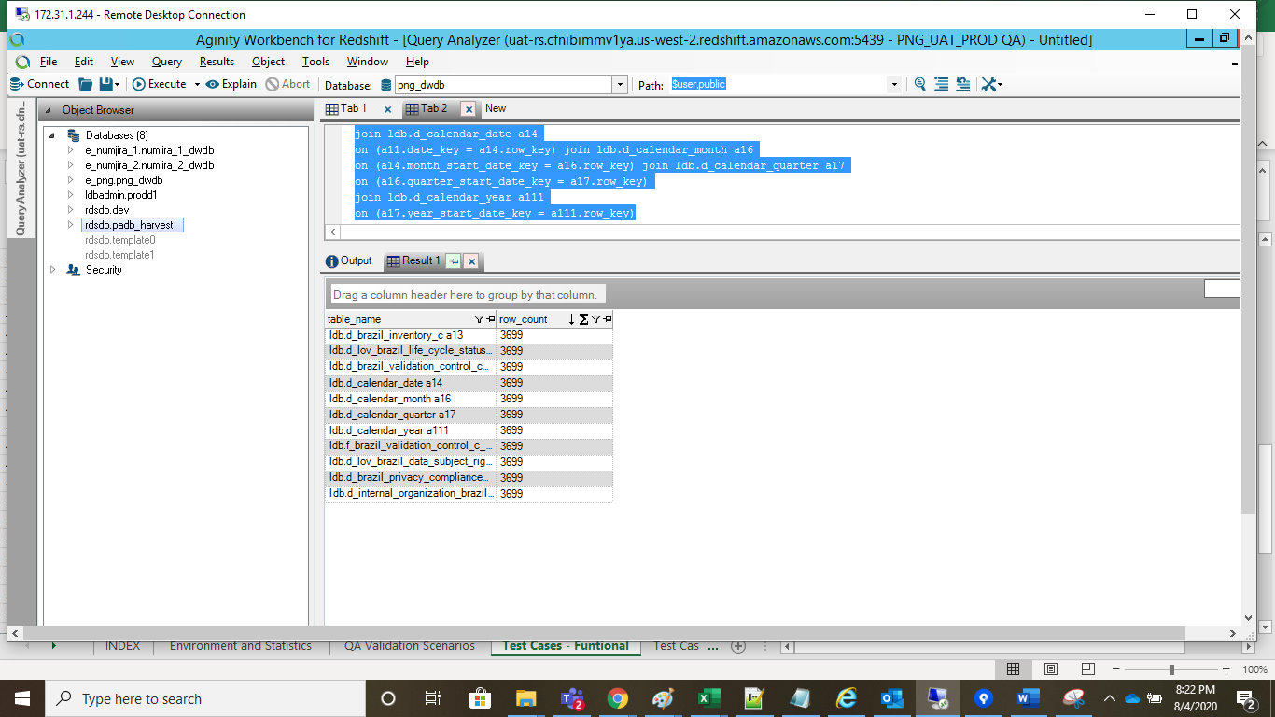
INDEX

TC_No | Test Case | Test Description | Expected Result | Actual Result | Result | Defect JIRA # | Comments
1 | INC-3625 | P&G: Processing new file for LA Quality in UAT. | New File Should be Processed in the UAT instance | New File has been processed in the UAT instance | Pass
 |  |  |  | Attached data Should be processed in the UAT instance |  |  | PA Inventory

SELECT 'pg_ot_brazil_processing_activity_inventory_c_final',Count(1) as CNT FROM png_mdsdb.pg_ot_brazil_processing_activity_inventory_c_final a where a.cdctype='X' group by 1 UNION Select 'd_brazil_inventory_c',Count(1) as CNT FROM png_mdwdb.d_brazil_inventory_c a where a.soft_deleted_flag='N' group by 1 UNION Select 'f_brazil_inventory_c',Count(1) as CNT FROM png_mdwdb.f_brazil_inventory_c a where a.soft_deleted_flag='N' group by 1 UNION SELECT 'f_brazil_validation_control_c',Count(1) as CNT FROM png_mdwdb.f_brazil_validation_control_c a where a.soft_deleted_flag='N' group by 1

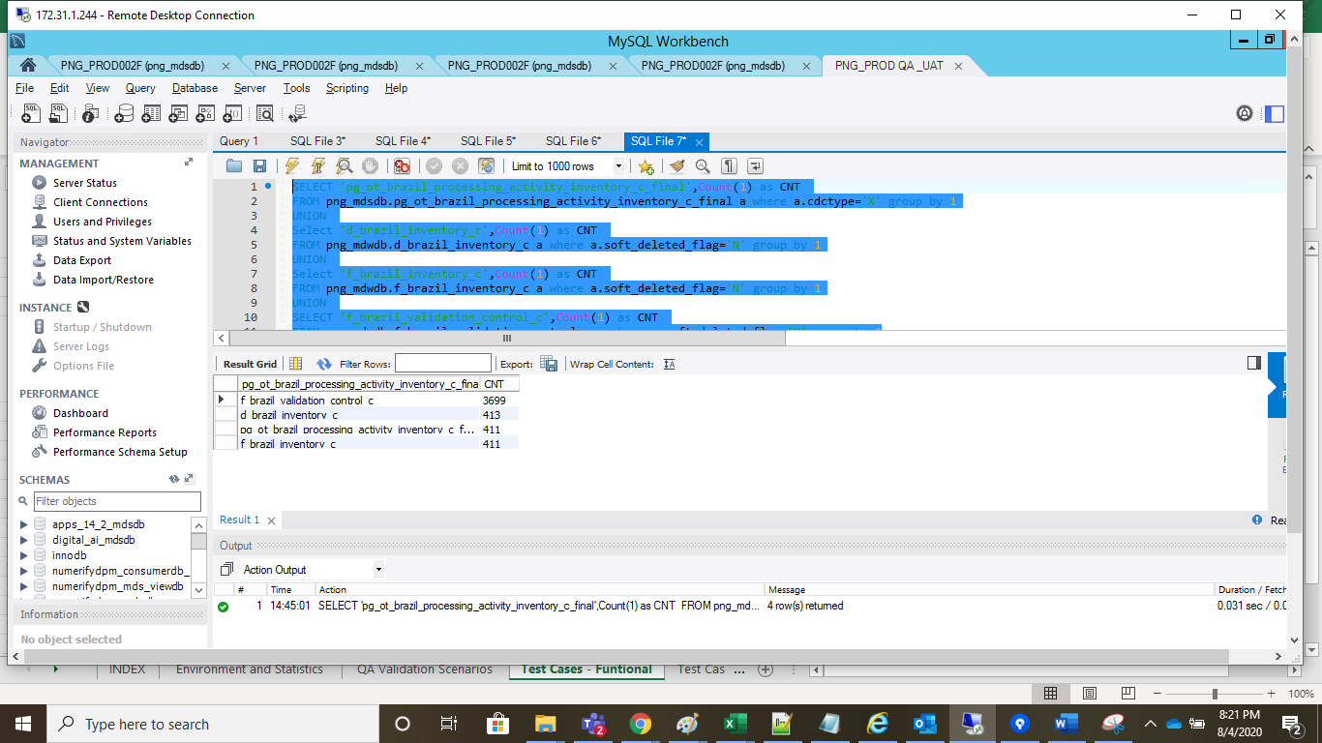

select 'ldb.f_brazil_inventory_c_fact a11 ' as Table_name, count(a11.row_key) Row_Count from ldb.f_brazil_inventory_c_fact a11 union select 'ldb.d_calendar_date a12 ' as Table_name, count(a11.row_key) Row_Count from ldb.f_brazil_inventory_c_fact a11 join ldb.d_calendar_date a12 on (a11.opened_on_key = a12.row_key) union select 'ldb.d_brazil_inventory_c a13 ' as Table_name, count(a11.row_key) Row_Count from ldb.f_brazil_inventory_c_fact a11 join ldb.d_brazil_inventory_c a13 on (a11.brazil_inventory_c_key = a13.row_key) union select 'ldb.d_calendar_month a14 ' as Table_name, count(a11.row_key) Row_Count from ldb.f_brazil_inventory_c_fact a11 join ldb.d_calendar_date a12 on (a11.opened_on_key = a12.row_key) join ldb.d_calendar_month a14 on (a12.month_start_date_key = a14.row_key) union select 'ldb.d_calendar_quarter a15 ' as Table_name, count(a11.row_key) Row_Count from ldb.f_brazil_inventory_c_fact a11 join ldb.d_calendar_date a12 on (a11.opened_on_key = a12.row_key) join ldb.d_calendar_month a14 on (a12.month_start_date_key = a14.row_key) join ldb.d_calendar_quarter a15 on (a14.quarter_start_date_key = a15.row_key) union select 'ldb.d_calendar_year a16 ' as Table_name, count(a11.row_key) Row_Count from ldb.f_brazil_inventory_c_fact a11 join ldb.d_calendar_date a12 on (a11.opened_on_key = a12.row_key) join ldb.d_calendar_month a14 on (a12.month_start_date_key = a14.row_key) join ldb.d_calendar_quarter a15 on (a14.quarter_start_date_key = a15.row_key) join ldb.d_calendar_year a16 on (a15.year_start_date_key = a16.row_key) |  |  | select 'ldb.f_brazil_validation_control_c_fact a11 ' as Table_name, count(a11.row_key) Row_Count from ldb.f_brazil_validation_control_c_fact a11 union select 'ldb.d_brazil_validation_control_c a12 ' as Table_name, count(a11.row_key) Row_Count from ldb.f_brazil_validation_control_c_fact a11 join ldb.d_brazil_validation_control_c a12 on (a11.brazil_validation_control_c_key = a12.row_key) union select 'ldb.d_brazil_inventory_c a13 ' as Table_name, count(a11.row_key) Row_Count from ldb.f_brazil_validation_control_c_fact a11 join ldb.d_brazil_inventory_c a13 on (a11.brazil_inventory_c_key = a13.row_key) union select 'ldb.d_calendar_date a14 ' as Table_name, count(a11.row_key) Row_Count from ldb.f_brazil_validation_control_c_fact a11 join ldb.d_calendar_date a14 on (a11.date_key = a14.row_key) union select 'ldb.d_brazil_privacy_compliance_control_c a15 ' as Table_name, count(a11.row_key) Row_Count from ldb.f_brazil_validation_control_c_fact a11 join ldb.d_brazil_privacy_compliance_control_c a15 on (a11.brazil_privacy_compliance_control_c_key = a15.row_key) union select 'ldb.d_calendar_month a16 ' as Table_name, count(a11.row_key) Row_Count from ldb.f_brazil_validation_control_c_fact a11 join ldb.d_calendar_date a14 on (a11.date_key = a14.row_key) join ldb.d_calendar_month a16 on (a14.month_start_date_key = a16.row_key) union select 'ldb.d_calendar_quarter a17 ' as Table_name, count(a11.row_key) Row_Count from ldb.f_brazil_validation_control_c_fact a11 join ldb.d_calendar_date a14 on (a11.date_key = a14.row_key) join ldb.d_calendar_month a16 on (a14.month_start_date_key = a16.row_key) join ldb.d_calendar_quarter a17 on (a16.quarter_start_date_key = a17.row_key) union select 'ldb.d_lov_brazil_life_cycle_status_c a18 ' as Table_name, count(a11.row_key) Row_Count from ldb.f_brazil_validation_control_c_fact a11 join ldb.d_brazil_inventory_c a13 on (a11.brazil_inventory_c_key = a13.row_key) join ldb.d_lov_brazil_life_cycle_status_c a18

